Directions
These Guidelines have been transposed from the original.

Disclaimer: All care has been exercised in the compilation of these guidelines for quick import to ESDAT, however no liability is taken for any error. It is the responsibility of the user to review the contained data and ensure their data is compliant with the relevant guidelines, and that this compilation meets their requirements.
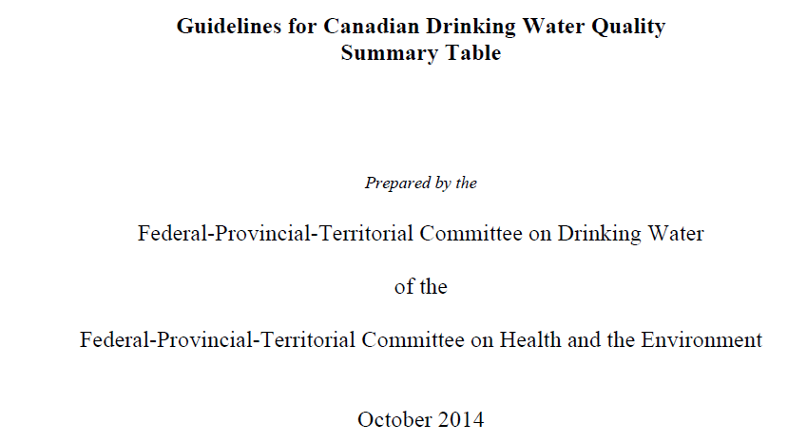

The import process is:
1. Import using the Import Template required.
2. Add any necessary ChemCodes to your database.

